Sayfa1
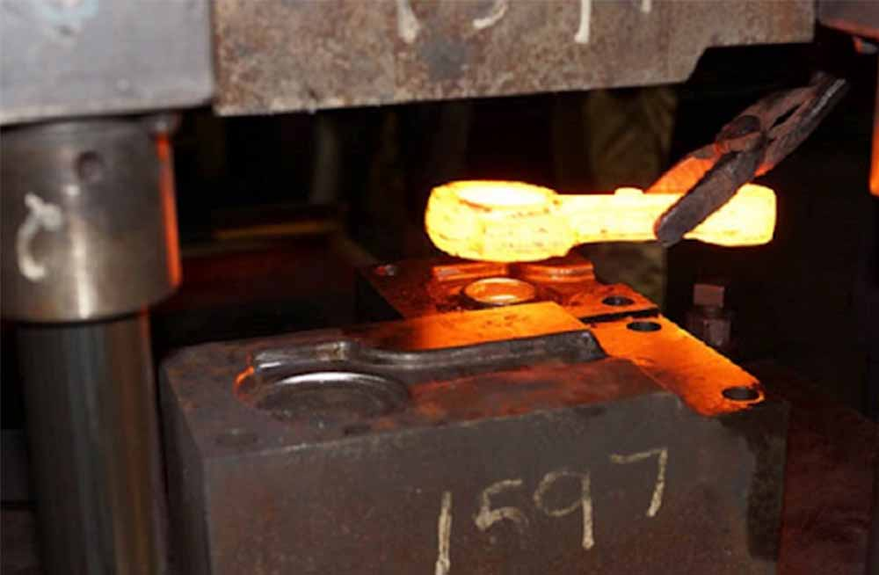

Hot forging is a metal forming process conducted at elevated temperatures, typically ranging from 700°C to 1200°C, where the material is plastically deformed using mechanical or hydraulic presses. The high-temperature environment reduces
the yield strength of the metal, allowing it to be efficiently shaped into complex geometries while minimizing the risk of cracking. This process refines the grain structure, enhances mechanical properties, and ensures improved material
homogeneity. Topçesan supports this process with a comprehensive portfolio of forging equipment and advanced engineering expertise.

At Brk Forging, we specialize in the production of forged components in a wide range of geometries and sizes, from 0.10 kg to 100 kg. Utilizing 13 active production lines and a comprehensive set of auxiliary machinery, we manufacture each part with a commitment to the highest standards of quality and operational efficiency.

Thanks to our versatile production capabilities and diverse product portfolio, we serve a broad spectrum of industries, consistently delivering

Make a product gallery

